SY2 system arch
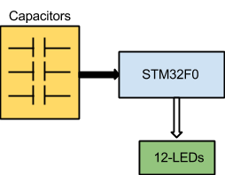
SY2 System Architecture

System | Floor Plan Door Lock System
User | Home owner

Reference
Subsystem 1 | Touch Control Panel(TCP)
Input | 12 inputs from capacitive touch
Output | 12 outputs to LEDs

Reference
Subsystem 2
Input
Output

Reference

